Menu screen
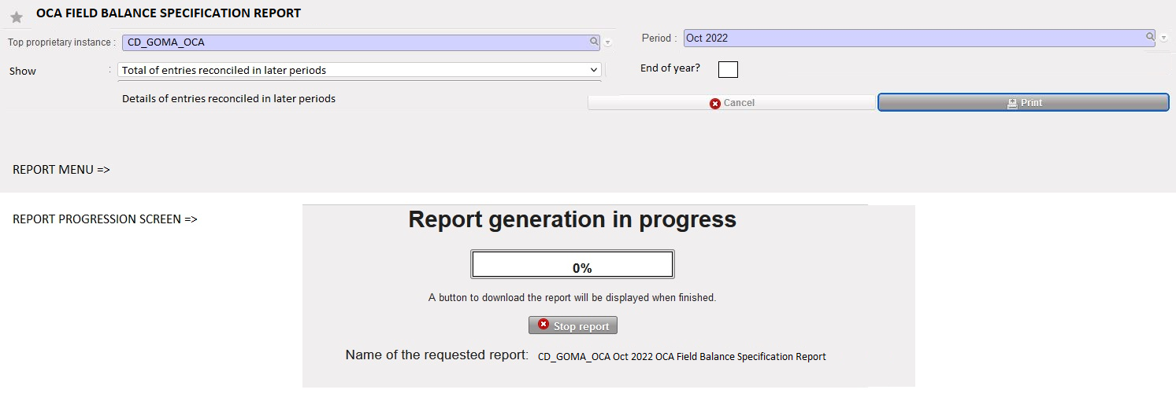

Title of the report | OCA FIELD BALANCE SPECIFICATION REPORT
Top Proprietary Instance | Proprietary instance where the report is generated. Allow this report in instances type HQ and Coor only.
Period | Display periods in open or field/mission closed status. Do not display draft or HQ closed statuses.
Show | Drop down menu: 2 options. Show Total of entries reconciled in later period or Show Details of entries recocield in later period. Default is total of entries reconciled in later period.
End of year | End of Year = Display column I and J of the report. Take the rate from End of year currency table to fill in I and compute the EUR value in J. In case End of year is not ticked, do not display columns I and J.
Cancel | Cancel the generation of the report
Print | Print the report in Excel only.
Report generation in progress | Create a "Report generation in progress" and optimise the process please!

